payoff matrix
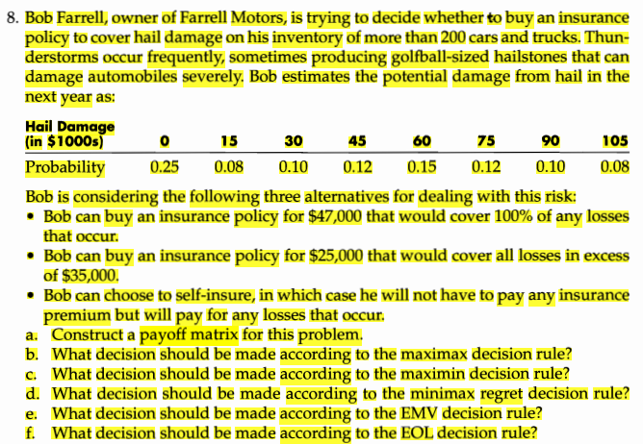
 | hail Damage(in $1000s)
Alternatives | 0 | 15 | 30 | 45 | 60 | 75 | 90 | 105
Full insurance | -47 | -47 | -47 | -47 | -47 | -47 | -47 | -47
partial insurance | -25 | -40 | -55 | -60 | -60 | -60 | -60 | -60
none | 0 | -15 | -30 | -45 | -60 | -75 | -90 | -105

prob | 0.25 | 0.08 | 0.1 | 0.12 | 0.15 | 0.12 | 0.1 | 0.08 | 1

